Flextrus Observations
Sales Revenue for first year

Sales Revenue for Second year

Segment wise sales
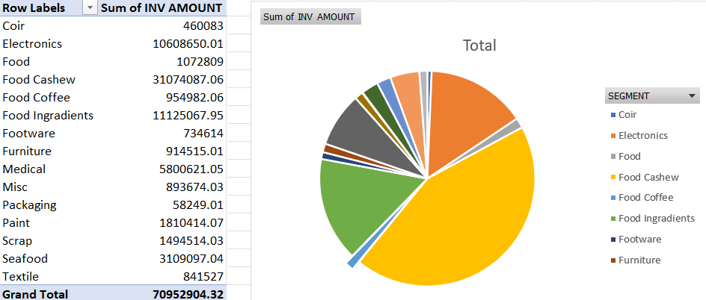

Top 10 customers (2 years)

Prakash Exports | ₹ 13,147,275
Sunfood Corporation (Thuni) | ₹ 10,572,257
SFO Technologies Pvt Ltd (CR-IND-3363) | ₹ 8,024,733
India Food Exports | ₹ 7,281,353
Intergrow Brands Private Limited | ₹ 5,711,644
Encare Medical Devices Pvt Ltd | ₹ 2,893,929
Kay Kay Exports | ₹ 2,579,565
Symega Food Ingredients Ltd | ₹ 2,484,287
SFO Technologies Pvt Ltd (Plot 2C) | ₹ 1,571,141
Sealand Agencies | ₹ 1,492,914

